Kintype
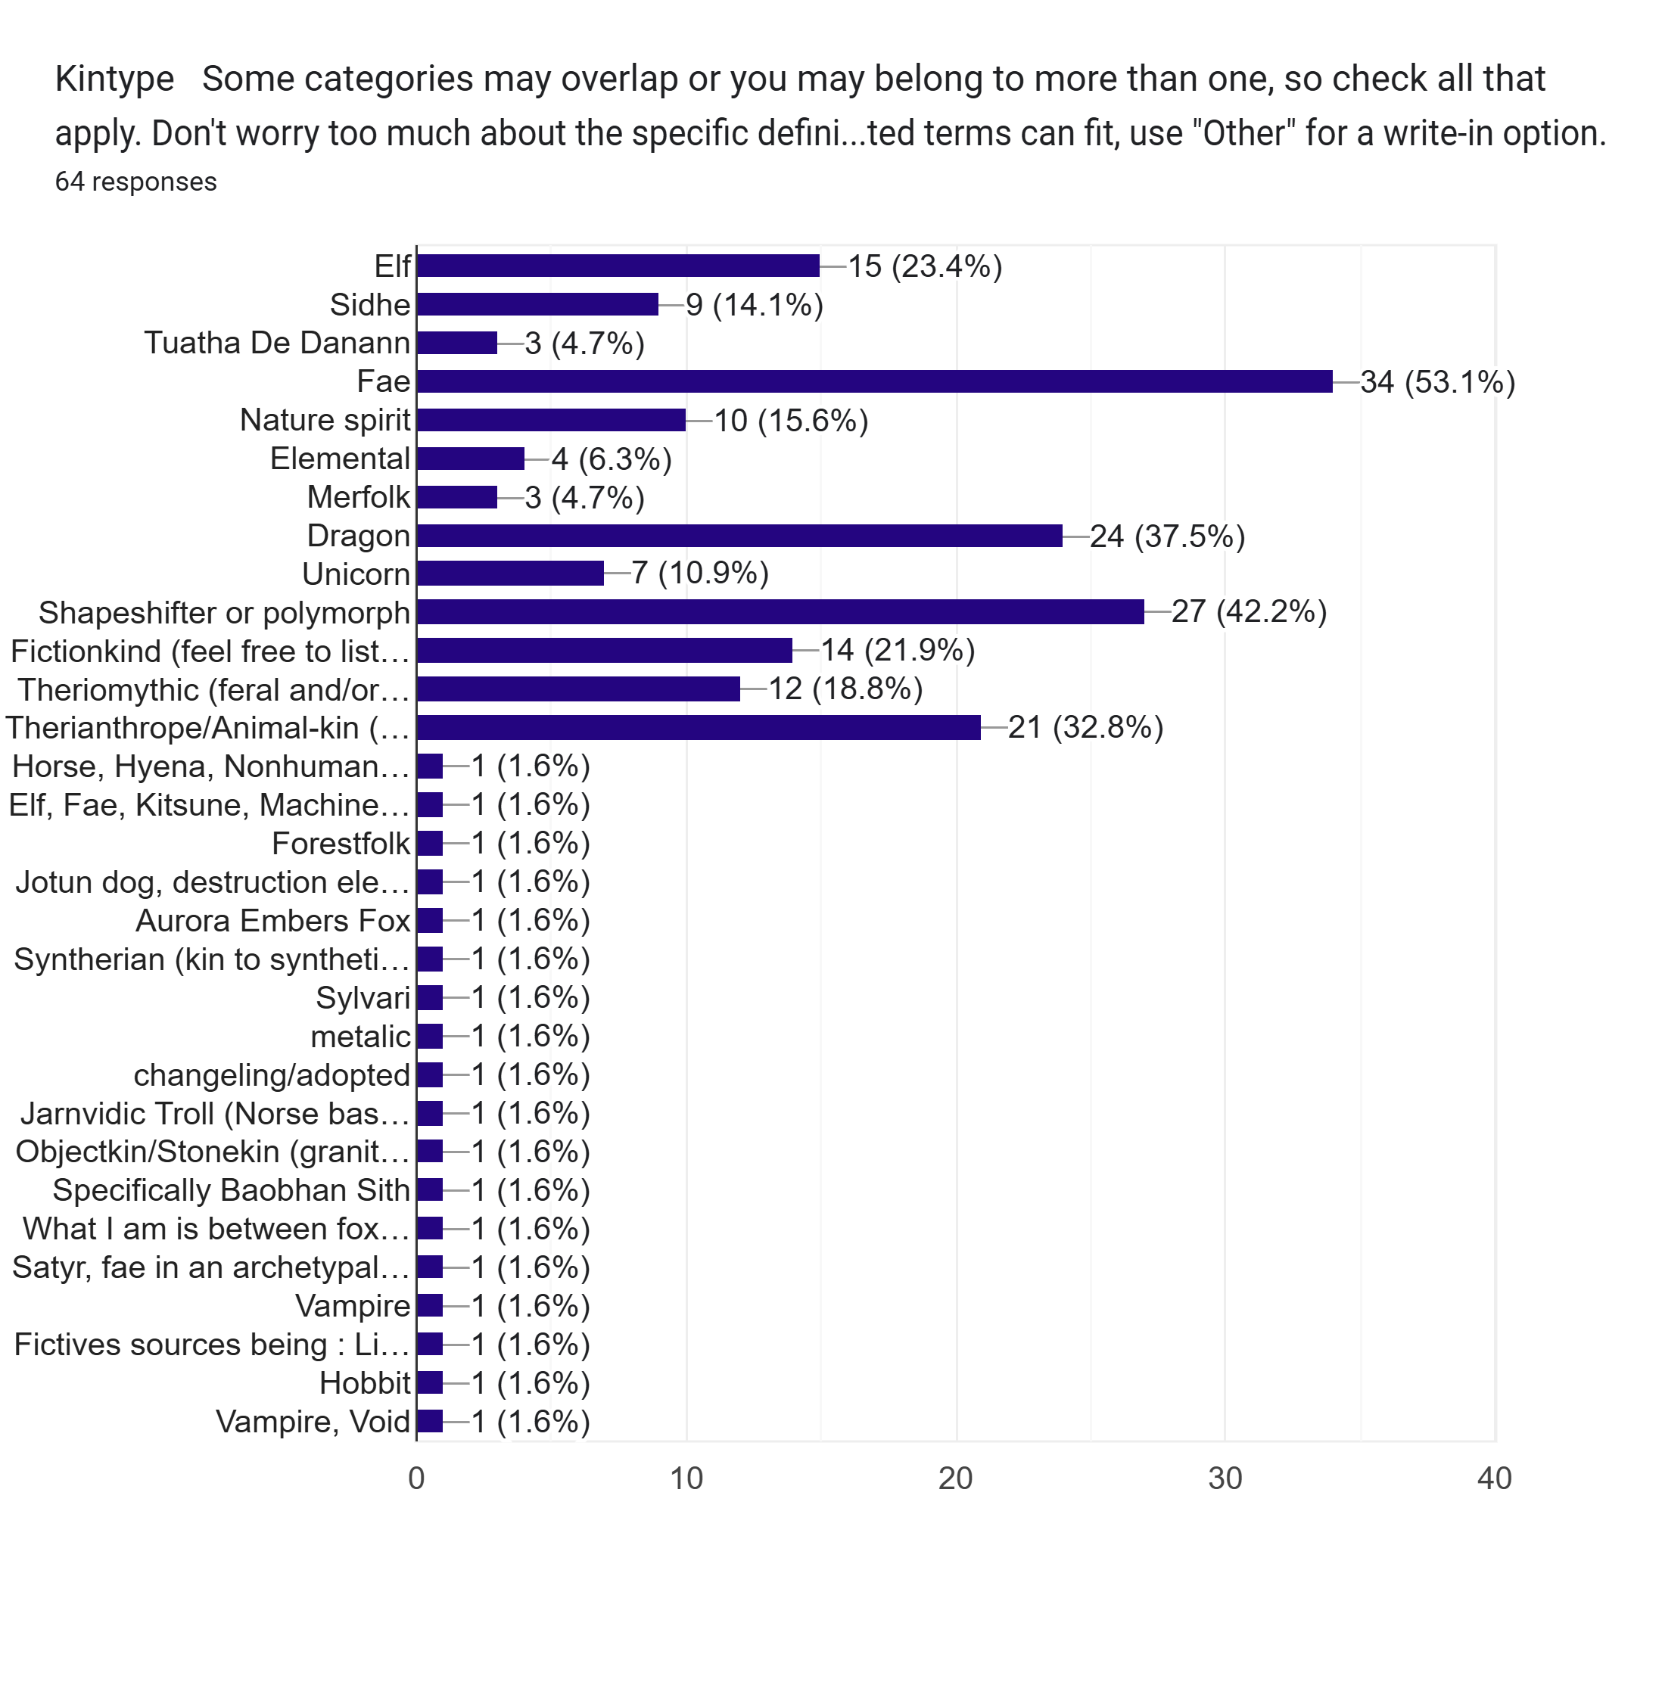

Elf | 15 | 23.4%
Sidhe | 9 | 14.1%
Tuatha | 3 | 4.7%
Fae | 34 | 53.1%
Nature spirit | 10 | 15.6%
Elemental | 4 | 6.3%
Merfolk | 3 | 4.7%
Dragon | 24 | 37.5%
Unicorn | 7 | 10.9%
Shapeshifter/polymorph | 27 | 42.2%
Fictionkind | 14 | 21.9%
Theriomythic | 12 | 18.8%
Therianthrope/animal-kin | 21 | 32.8%
Other | 18 | 28.1%
The "Other" category also includes those who chose to write in more detail about a theriotype or fictotype. Text of those entries can be found in column B of the Data tab.

Age
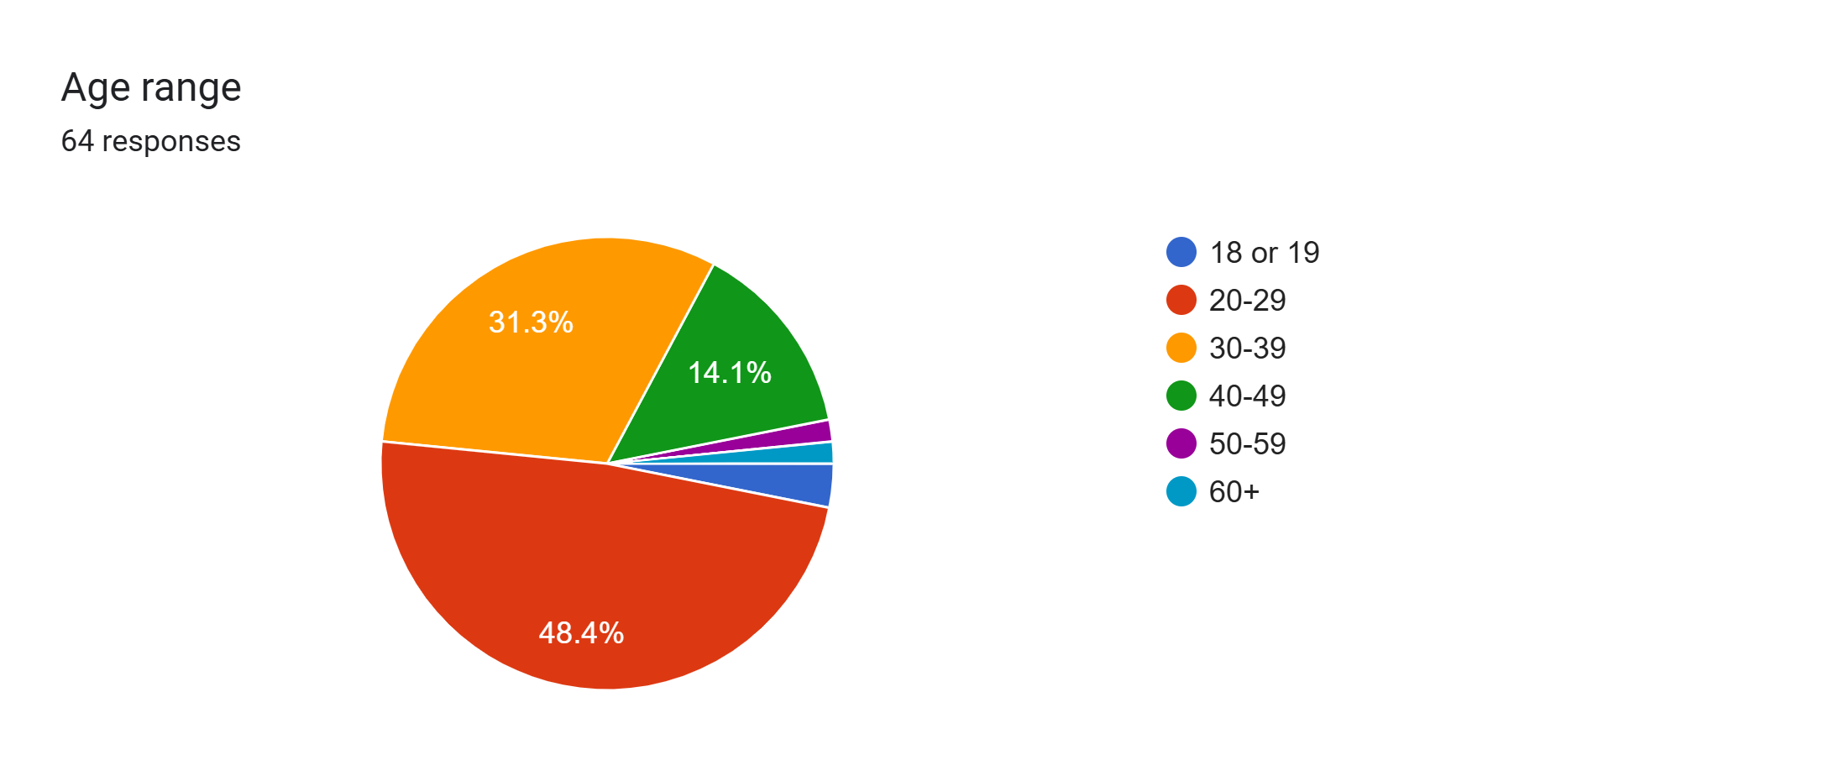

18 or 19 | 2 | 3.1%
20-29 | 31 | 48.4%
30-39 | 20 | 31.3%
40-49 | 9 | 14.1%
50-59 | 1 | 1.6%
60+ | 1 | 1.6%

Region
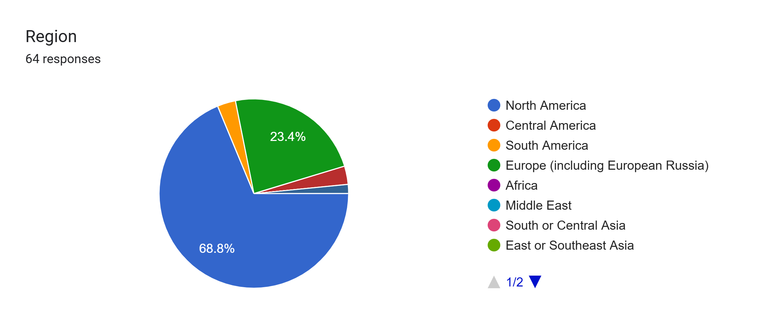

North America | 44 | 68.8%
Central America | 0 | 0.0%
South America | 2 | 3.1%
Europe | 15 | 23.4%
Africa | 0 | 0.0%
Middle East | 0 | 0.0%
South or Central Asia | 0 | 0.0%
East or Southeast Asia | 0 | 0.0%
Oceania | 3 | 4.7%

